Coverpage
 | STATE FINANCIAL SERVICES DIVISION
 | LOCAL GOVERNMENT SERVICES BUREAU
 | Mitchell Building Room 255, PO Box 200547, Helena, Montana 59620-0547
 | Phone (406) 444-9101
 | Local Government Services Bureau Portal

MONTANA

FINAL

BUDGET DOCUMENT

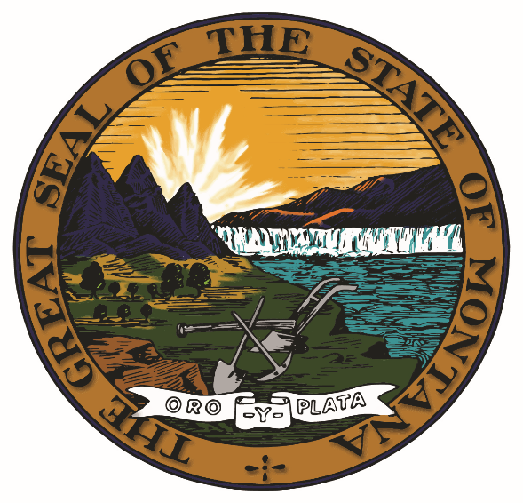

Fiscal Year ended June 30, 2024

City/Town/County of _____

Form Prescribed by Department of Administration
Local Government Services Bureau
Montana Budgetary, Accounting, and Reporting System

Revised April 2023 - V-1

