COVER PAGE
 | STATE FINANCIAL SERVICES DIVISION
 | LOCAL GOVERNMENT SERVICES BUREAU
 | Mitchell Building Room 255, PO Box 200547, Helena, Montana 59620-0547
 | Local Government Services Bureau Portal

 | ENTITY # | 000000
MONTANA
LOCAL GOVERNMENT NAME:
ADDRESS
CITY, STATE ZIP

ANNUAL FINANCIAL
REPORT
CONSISTING OF AUDITED FINANCIAL STATEMENTS AND OTHER SUPPLEMENTARY INFORMATION

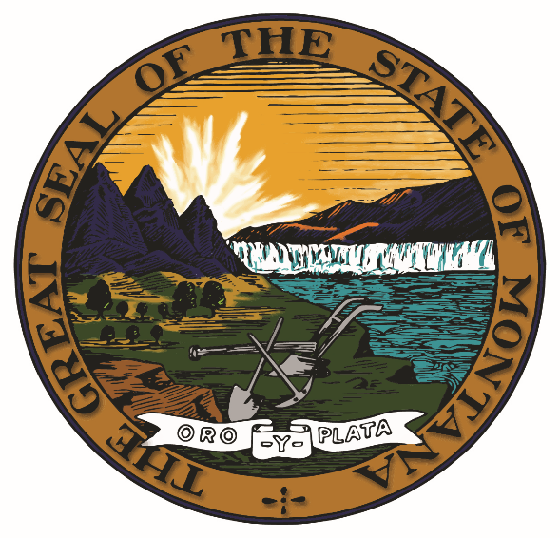

FISCAL YEAR ENDING JUNE 30, 2021

REVISED JULY 2021/VERSION 21.1

