Lease decision tree
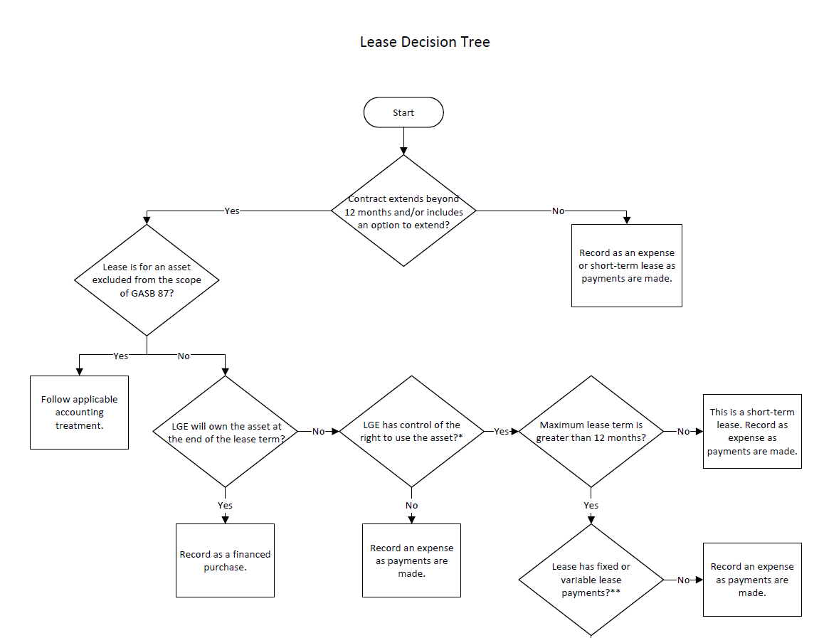

*A contract conveys control of the right to use the asset when the lessee is provided both:
1. The right to determine the nature and manner of use of the asset, and
2. The right to obtain service level capacity from the use of the asset.

**Fixed payments are established as specific dollar amounts in the lease contract, and the lessee is obligated to make them.
Variable fixed in substance payments are minimum guarantee amounts or portions of variable payments that can be reliably measured because they are not dependent upon events or transactions that have not occurred.

***Free rent or dollar leases do not qualify as an exchange or exchange-like transaction.
A permanent easement or other leases that last indefinitely without cancellation options do not meet the period of time criterion.

