Trial Balance Example
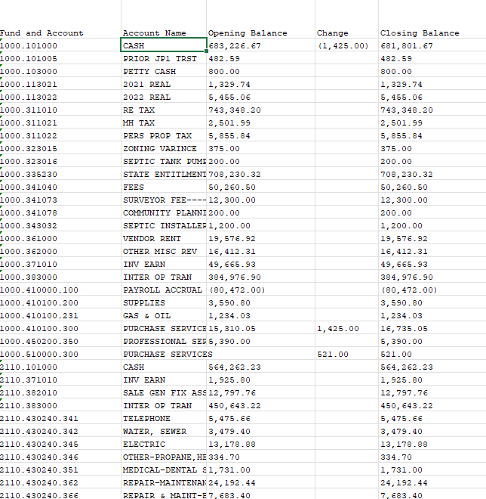
Detailed Closing Trial Balance Report

 | Counties, Cities and Towns are required to complete and submit a detailed, closing Trial Balance

 | If submitting an audit in lieu of the AFR you should have already submitted a detailed trial balance report within 6 months of the end of the fiscal year.
 | The report mustfollow BARS charts of accounts, be in Excel format, and preferrably on one worksheet tab (rather than multiple tabs).
 | Addtionally, a trial balance certification must also accompany the trial balance report when submitted at the 6 months after fiscal year deadline.

 | Most local government software packages have an option to generate a detailed trial balance report.
 | Check with your software vendor to determine the correct way to generate this detailed report for the final month (preferrably for period 13 if your entity uses it)
 | of the fiscal year end report being submitted.

 | Your annual financial report package submission will not be considered complete without the Trial Balance report and the Trial Balance certification.

 | Example of a Detailed Trial Balance Report (from Black Mountain Software)

 | Trial Balance Report with Revenues and Expenditures
 | For the Accounting Period: 6 / 24 OR 13 / 24

