Instructions Tab
GASB 68 PENSION PLAN REPORTING
WORKSHEET INSTRUCTIONS
The reports necessary to complete the pension plan input pages can be found on the MPERA & TRS websites:
Montana Public Employees Retirement Administration (MPERA)
Home - Montana TRS

To complete the Pension Statement Input Worksheets - Yellow Tabs:
Use the plan reports to complete the Sample JV and Schedule of Deferred Inflows and Outflows Input Tabs for
each of the plans your entity participates in and your prior year GASB 68 Pension Worksheet.
For MPERA Plans: PERS, FURS, MPOR and SRS:
Step 1: Download your MPERA Plan Reports:
Download your entity's applicable MPERA plan reports from the MPERA website. They are located in the link Under GASB 68 Employer Data: Employer Specific Data -See Illustrations #1a, 1b and 1c. Ensure you are downloading the correct year for the current reporting date (not measurement date).

 | Illustration #1a: Locating your MPERA Plan Reports on the MPERA website:
 |  |  |  |  |  |  |  | Link to the MPERA website

 |  |  |  |  |  |  |  | Click on the
 |  |  |  |  |  |  |  | Updated GASB Link

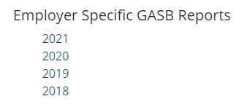
 | Illustration #1b: Employer Specific Reports |  |  |  |  |  |  | Individual Pension Plan
 |  |  |  |  |  |  |  | Reports are located under
 |  |  |  |  |  |  |  | MPERA Employer Information
 |  |  |  |  |  |  |  | *Click on Employer Specific Data for the Current Fiscal Year

 | Illustration #1c: Employer Plan Reports

 |  |  |  |  |  |  |  | Drop-down menu to
 |  |  |  |  |  |  |  | Search for & Select your Entity among the Employers
 | Locate your Entity's name on the drop-down menu. Download all the applicable Reports

Step 2: Complete the Deferred Schedules Tab:
Input the Deferred Outflows and Deferred Inflows of Resources information on the Deferred Schedules
pages for all the plans your local government participates in. This information can be found on your prior year's GASB 68
Worksheet or on the MPERA website. See Illustration #2.
Prior Year: Start by entering the prior year's deferred outflows and inflows of resources. Verify the Employer contributions subsequent to the measurement date as reported on the prior year schedule is the same as the number reported on the current year's schedule of deferred outflows. If the contributions are different, use the amount the was deferred in the prior year. An adjustment will auto-fill on the Sample JV Tab.
Current Year: Enter the deferred inflows and outflows from the current year's MPERA report. This can be taken from the Recognition of Deferred Inflows and Outflows Schedule within the Notes Section of the MPERA plan report.

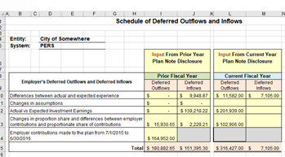
 | Illustration 2: Schedule of Deferred Outflows and Inflows

 |  |  |  |  |  |  |  | Schedules of Deferred
 |  |  |  |  |  |  |  | Outflows & Inflows:

 |  |  |  |  |  |  |  | Input Current Year

 |  |  |  |  |  |  |  | Input Prior Year

Step 3: Complete the Sample JV Tabs:
Locate the Sample Journal Entries report for all applicable plans within the MPERA Note Disclosure. Input the information on the corresponding Sample-JV Tab as presented. See Illustration #3.
 |  | Enter information in |  | yellow-colored cells
 |  | Do not enter info in |  | salmon-colored cells
(Note: You may not participate in all the plans. Do not delete the worksheet page of the plans not applicable.
You can hide the worksheet pages your local government doesn't participate in.)

IMPORTANT: If the Deferred Outflows/Inflows of Resources entry on the Plan's Sample Journal Entries report is a:
 |  | Debit - Enter as a Deferred Outflow of Resources
 |  | Credit - Enter as a Deferred Inflow of Resources

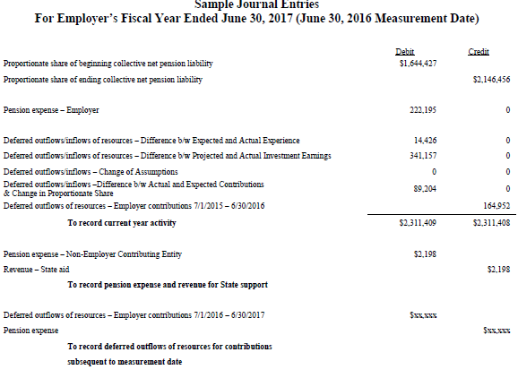
The Employer contributions subsequent to the measurement date (7/1/20XX to 6/30/20XX) can be located on the MPERA website using the Employer Reporting (ERIC) reports for the current fiscal year.
 | Illustration 3: Sample Journal Entries Report provided by MPERA
 |  |  |  |  |  |  |  | Enter the information for the MPERA Plan's Sample Journal Entries

 |  |  |  |  |  |  |  | Do not enter the prior year
 |  |  |  |  |  |  |  | Contributions Subsequent to
 |  |  |  |  |  |  |  | Measurement Date appearing
 |  |  |  |  |  |  |  | on MPERA JV;
 |  |  |  |  |  |  |  | The correct adjusted amount
 |  |  |  |  |  |  |  | is auto-calculated, input and
 |  |  |  |  |  |  |  | offset to pension expense.

 |  |  |  |  |  |  |  | Items not on the Sample JV:
 |  |  |  |  |  |  |  | Employer contributions
 |  |  |  |  |  |  |  | Subsequent to Measurement
 |  |  |  |  |  |  |  | Date - Current Fiscal Year

MPERA On-behalf Payment - Determine what option you will use to recognize the On-behalf Revenue State payments.
GASB 85 requires the current period On-behalf revenue be recognized in the fund-level statements. If you input the on-behalf as part of your year-end closing adjustments you may choose not to input the on-behalf revenue on the Sample JV-Tabs.
Option 1: Input the current year on-behalf payment into your accounting software. Do not input the on-behalf payments as of the measurement date on the Sample JV-Tab.
Option 2: Enter the total of all plan type's current fiscal year on-behalf revenue and expense in the general fund in your accounting software as part of your closing adjustments. Complete the Sample JV and input the on-behalf payments as of the measurement date as provided for each plan type. See Option 2 on the GASB85 On-Behalf Tab for instructions on removing the current year on-behalf revenue on the OP Conversion of the AFR.
Option 3: If you have determined the on-behalf revenue is not material and have chosen not report it in the governmental funds in the accounting software complete the Sample JV Tab inputting the on-behalf payment as of the measurement date. You will enter the on-behalf revenue and related expense allocated to the governmental funds on the OP Conversion. Follow the examples as provided for Option 3 on the GASB 85-On-Behalf Tab.
Remember: If you entered the on-behalf revenue in your accounting software and then entered the on-behalf revenue as of the measurement date you will need to reverse the current year's on-behalf revenue may need to be reversed on the Government-wide Statements to show the on-behalf revenue as of the measurement date. Note: GASB 24 states an employer is not required to allocate on-behalf payments to individual funds. If allocating to a single fund the General Fund should be used. In some situations the on-behalf payment may relate entirely to an enterprise fund and should be reported in that fund. If the on-behalf revenue was recorded among multiple fund types (business and government) it should be reversed exactly as it was posted in the fund financial statements.
See the On-Behalf Revenue Tab for additional detailed instructions.
 | Illustration 3A: On-behalf Revenue Recognition
If choosing Option 2 or 3 - you will complete Section #2 of the Sample JV-Tab.

 |  |  |  |  |  | Measurement Period: |  | Current period: |  | Difference:

To produce the Government-wide Statements the current Year On-Behalf Revenue should be reversed exactly as it was input into the Fund-Level Statements. For example: The current year on-behalf contributions was recorded in the General Fund - this amount should all be reversed on the OP Conversion. If the amount had been split between governmental funds and business-type funds you would adjust each business-type fund and the governmental funds in total to reverse the amount that was recorded in the fund level statement.

For Teachers Retirement System (TRS):
Enter the information as provided on the TRS Website - Click on "The 20XX GASB 68 reports". Locate your report by
Employer Name, then scroll down the TRS report until you locate the "Sample Journal Entries" page to find the information
to input on the TRS Statement - Input worksheet. (You do not have to complete a Prior Year Input page for TRS.)

Step 4: Payroll Allocation
Instructions to Complete the Payroll Allocation (by fund type and major function) - Yellow Tab:
To determine the correct allocation by fund and major purpose/function run a gross payroll report or PERS employer
contribution report for only the employees participating in the PERS plan. See Illustration #4a.
(Do not include MPORS, FURS, SRS. The employer contributions are typically made only from governmental funds.
If your allocation is different for these plan types change the allocation for Other Pension Plan Types.
This information is available at the bottom of the worksheet)

For the PERS Paid from Governmental Funds:
On the Payroll Allocation Input Worksheet enter the payroll amount paid from all governmental funds as a total in
Column C - Row 10. (Total for: General, Special Revenue, Debt Service, Capital Project & Permanent Funds)
Next, enter the amount paid from the governmental funds by major purpose in Columns E through M Row 24 for PERS.
(Major purpose: general gov, public safety, public works, public health, culture & recreation, etc.) See Illustration #4b.

For the PERS Paid from Proprietary Funds:
Enter the payroll amount paid to PERS for each proprietary fund separately in Column C Rows 13-17. Enter the fund
number and name in rows 13-17 for proprietary funds if other than water, sewer and solid waste.

 | Illustration #4a - PERS Payroll Allocation or Contributions by Fund Type
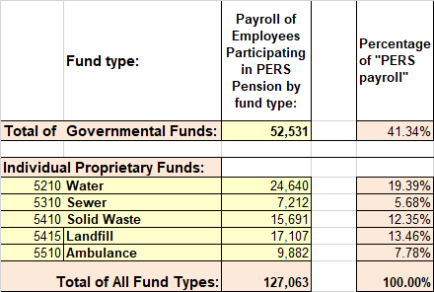
 |  |  |  |  |  |  | Start the allocation process:
 |  |  |  |  |  |  | Input gross payroll of PERS employees or
 |  |  |  |  |  |  | employer's PERS contributions
 |  |  |  |  |  |  | by Fund Type:

 |  |  |  |  |  |  | Total of all governmental funds

 |  |  |  |  |  |  | Individually for each proprietary fund

 | Illustration #4b - Governmental Fund Allocation by Function
 | Input the Total Governmental Funds divided by major purpose (e.g. general government, public safety, public works, culture & rec)
 | Total by major purpose should equal the Total of the Governmental Funds

For FURS, MPORS & SRS - default is public safety; Teacher's Retirement default is General Government

Step 5: Completing the Recap - Green Tab:

Input the prior fiscal year's ending balance per Fund Type (governmental, each proprietary individually) for the following:
Net Pension Liability;
Deferred Outflows of Resources
Deferred Inflows of Resources;
For Governmental Funds:
The information can be taken from the Prior Year's Annual Financial Report - page 13 for the Governmental Funds total.

For Each Proprietary Fund:
Review the information on the June 30 trial balance before adjustments are made; also compare this total to the amount
reported on the prior year's annual financial report to ensure they are the same.

 | Illustration #5: Prior Fiscal Year Ending Balances per Trial Balance & AFR

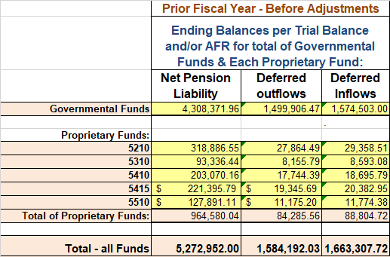

 |  |  |  |  |  |  |  | Input the Prior Year Balances
 |  |  |  |  |  |  |  | by Fund Type:

 |  |  |  |  |  |  |  | Total for Governmental Funds
 |  |  |  |  |  |  |  | Individual Proprietary Funds

 |  |  |  |  |  |  |  | Net Pension Liability
 |  |  |  |  |  |  |  | Deferred Outflows
 |  |  |  |  |  |  |  | Deferred Inflows

Step 6: Governmental Fund Entries & Adjustments
Instructions to complete the Conversion Worksheets of the AFR for Governmental Funds
Information provided on Gov. Funds Adjustments Lavender Tab:

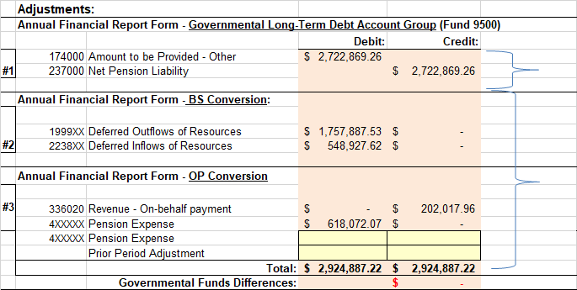
 | Illustration #6a: Allocation and rounding Adjustments if necessary

 |  |  |  |  |  |  |  |  | Input Adjustments in
 |  |  |  |  |  |  |  |  | Yellow cells for:
 |  |  |  |  |  |  |  |  | Slight rounding to
 |  |  |  |  |  |  |  |  | Pension Expense
 |  |  |  |  |  |  |  |  | or Prior Period Adj.

 |  |  |  |  |  |  |  |  | If negative - adj
 |  |  |  |  |  |  |  |  | as a credit;
 |  |  |  |  |  |  |  |  | if positive adjust as
 |  |  |  |  |  |  |  |  | a debit

Step 6: Completing the Conversion Worksheets cont.
Gov. Fund Adjustments Worksheet - Entry #1: |  |  |  |  | GLTDAG (Governmental Long-Term Debt Account Group):
Enter the prior year's ending Net Pension Liability (NPL) as the beginning balance on the GLTDAG under Debt Payable Account #237000, offset with a Amount to be Provided - Other. Enter adjustment #1 from the Governmental Fund Adjustments Worksheet. The entry will be: a credit to Net Pension Liability if your NPL increased; a debit if NPL will be reduced.
Note: This entry will be made as a journal voucher in your Accounting Software only if you keep Fund 9500 up-to-date as part of your year-end closing adjustments.

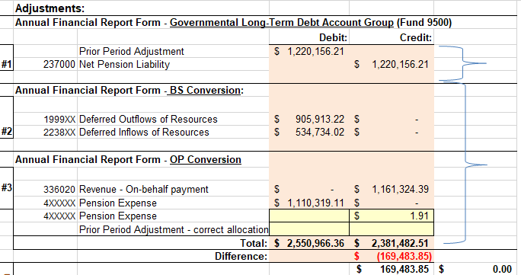
 | Illustration #6b: Adjustments for the Annual Financial Report (AFR): |  |  |  |  |  |  |  | Adjustments for:
 |  |  |  |  |  |  |  |  | #1 Net Pension Liab.
 |  |  |  |  |  |  |  |  | for AFR GLTDAG

 |  |  |  |  |  |  |  |  | #2 Deferred Inflows
 |  |  |  |  |  |  |  |  | & Outflows
 |  |  |  |  |  |  |  |  | to BS Conversion

 |  |  |  |  |  |  |  |  | #3 Rev., Exp., PPA
 |  |  |  |  |  |  |  |  | for OP Conversion

 | Illustration #6c: Governmental Funds Long-Term Debt (GLTDAG of AFR):

 |  |  |  |  |  |  |  |  | Adjustment for:
 |  |  |  |  |  |  |  |  | Net Pension Liability
 |  |  |  |  |  |  |  |  | from the
 |  |  |  |  |  |  |  |  | Governmental Funds
 |  |  |  |  |  |  |  |  | Adjustments Tab

Gov. Fund Adjustments Worksheet - Entry #2: |  |  |  |  | BS Conversion:
Enter the Deferred Outflows of Resources from the Governmental Adjustments tab
in the BS Conversion Sheet in Column D Row 28
Enter the Deferred Inflows of Resources in the BS Conversion Sheet in Column D Row 49
Note: The debit adjustment will not equal the credit adjustment of this entry.
 | Illustration #6d: BS Conversion of the AFR
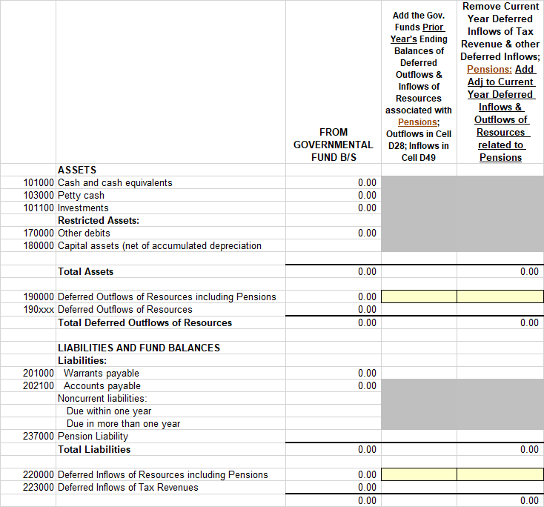
 |  |  |  |  |  |  |  | Input the Prior Year's Ending
 |  |  |  |  |  |  |  | Balance as shown of the prior
 |  |  |  |  |  |  |  | AFR/Audit for:
 |  |  |  |  |  |  |  | 1. Deferred Outflows of Resources
 |  |  |  |  |  |  |  | 2. Deferred Inflows of Resources

 |  |  |  |  |  |  |  | Next: Input the adjustment to
 |  |  |  |  |  |  |  | Deferred Outflows & Inflows of
 |  |  |  |  |  |  |  | Resources as shown on the
 |  |  |  |  |  |  |  | Governmental Funds
 |  |  |  |  |  |  |  | Adjustment Tab

Gov. Fund Adjustments Worksheet - Entry #3: |  |  |  |  | OP Conversion: |  | See the On-behalf Revenue Tab
From the Recap of Governmental Adjustments tab:
Enter the On-behalf Payment (if it was not made as a jv adjustment during closing) in Column F - Row 13
Enter the Pension Expense by Major Purpose in Column F Rows 23 - 37

Please note: If you are recognizing on-behalf revenue and pension expense for current year State's contribution to plans
in your fund level financial statements in accordance with GASB #85, an additional adjustment may be necessary on the OP
Conversion tab to reverse the on-behalf revenue and pension expense as of measurement date recognized in your fund-level
financial statements if using that option. See the GASB85 - On-Behalf Revenue tab for on-behalf revenue recognition options.

 | Illustration #6e: Annual Financial Report - OP Conversion of the AFR
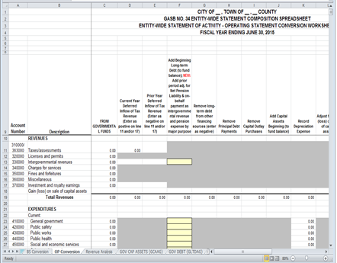
 |  |  |  |  |  |  | Note: | Yellow boxes are on the BS
 |  |  |  |  |  |  |  | and OP Conversion Pages of
 |  |  |  |  |  |  |  | the Annual Financial Report
 |  |  |  |  |  |  |  | will assist with the input of the
 |  |  |  |  |  |  |  | necessary GASB 68 Adjustments

 |  |  |  |  |  |  |  | Illustration is the Intergovernmental
 |  |  |  |  |  |  |  | Revenues & Pension Expense
 |  |  |  |  |  |  |  | added to the OP Conversion
 |  |  |  |  |  |  |  | when the on-behalf entry wasn't
 |  |  |  |  |  |  |  | made as part of the closing entries.

Gov. Fund Adjustments Worksheet - Entry #3 cont. |  |  |  |  | Revenue Analysis Page:
Distribute the Intergovernmental Revenue - On-behalf payment as a program revenue by major source on the Revenue
Analysis Worksheet of the Annual Financial Report.
Use the breakdown by major function provided on the Governmental Adjustments Tab. (Ex. 42 - Public Safety, etc.)

Step 7: Business-Type/Proprietary Funds:
Instructions to complete the Proprietary Funds Journal Adjustments - Lavender Tab:
The GASB 68 journal adjustments should be completed in your accounting software for those funds that use the full
accrual basis of accounting. The adjustments are provided by fund type on the Proprietary Fund Journal Adjustments
and should be made as part of your annual closing adjustment process before you begin your annual financial report.
If a rounding adjustment is necessary it is recommended you make this adjustment to pension expense or prior
period adjustment.

The pension expense account number you use will vary depending on the fund type and the account number you use
within the individual fund. The pension expense account number should correspond to the payroll expense account
number you use. An example: In water you may use 5210-430500-110 for payroll. The pension expense account
number you would use in water would then be 5210-430500-19x. Sewer: 5310-430600-19x, etc.

A range of pension expense object codes have been assigned in the BARS Chart of Accounts: 195-199.
Using a separate object code for the GASB 68 pension expense is highly recommended to prevent confusion between
actual contributions made to the pension plan affecting cash and budgeting and the non-cash GASB 68 pension expense
adjustment.

Account numbers for Deferred Outflows of Resources and Inflows of Resources for GASB 68 adjustments can be
assigned or you can assign the recommended numbers if they are open in your software:
199900 - Deferred Outflows of Resources and 223800 - Deferred Inflows of Resources
Deferred Outflows of Resources have a debit balance;
Deferred Inflows of Resources have a credit balance;

Step 8: Required Supplementary Information in the AFR:

MPERA is providing the RSI Schedule of Net Pension Liability and notes to the RSI.
You will need to complete the RSI Schedule of Contributions. This information can be obtained from the MPERA ERIC
System. Use the contribution subsequent to the measurement date. See Illustration #7.

Ten-year schedules were added to the Required Supplementary Information section of the Annual Financial Report to
comply with GASB 68 or you can insert the completed RSI Input page for each applicable plan type.
Individual schedules by pension plan types will report the Proportionate Share of Net Pension Liability and a separate
schedule of contributions for the current fiscal year and the prior fiscal year.
Information will be compiled until the most recent ten years of reporting has been reached. Once ten years of information
is available the oldest year will be removed to accommodate the current year.

The RSI for TRS can be found on the TRS website. The pages of the report are titled Required Supplementary
Information. Schedule of Proportionate Share of Net Pension Liability and Schedule of Contributions.
For TRS the employer's covered-employee payroll should be input from the employer's records. The contributions as a
percentage of covered-employee payroll can be figured by dividing the contributions by the covered-payroll.

 | Illustration #7: RSI pages of the Annual Financial Report
Current FY
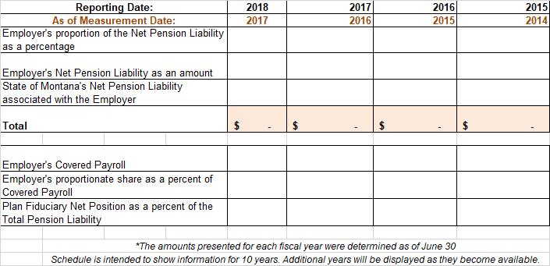
 |  |  |  |  |  |  |  | Information provided to
 |  |  |  |  |  |  |  | complete the AFR - RSI
 |  |  |  |  |  |  |  | Schedule of Proportionate
 |  |  |  |  |  |  |  | Net Pension Liability

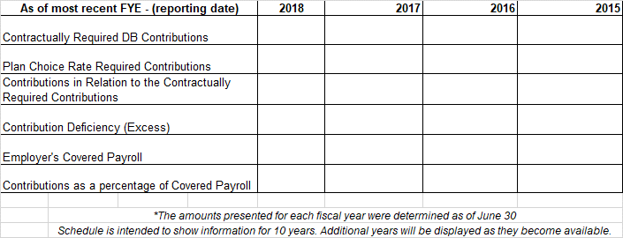
Current

 |  |  |  |  |  |  |  | Use the MPERA Eric Info
 |  |  |  |  |  |  |  | to Complete the
 |  |  |  |  |  |  |  | AFR - RSI
 |  |  |  |  |  |  |  | Schedule of Contributions
 |  |  |  |  |  |  |  | for current fiscal year

 |  |  |  |  |  |  |  | Prior fiscal years can be
 |  |  |  |  |  |  |  | taken from previous AFR

Additional Information:
For Additional Information and Resources refer to the following:

MPERA website |  |  | http://mpera.mt.gov
Teachers Retirement website: |  |  | https://trs.mt.gov
GASB website: |  |  | GASB 68 - Implementation Toolkit

GASB 68 Worksheet;
Version 25.1 |  | Release Date: November 2025

Move-Copy Instructions
Instructions to move the Optional Note Disclosures to your Annual Financial Report:

Have both the annual financial report and the GASB 68 Worksheet files open on your computer.
In the GASB 68 Worksheet go to the Note Disclosure tab you would like to copy and move.
Step 1: Right click on the tab at the bottom of the workbook page of the Note Disclosure tab
Step 2: A pop-up menu will appear – Click on Move or Copy
Step 3: A Move or Copy Menu will appear
Step 4: Check the “Create a copy box”
Step 5: Under “To book” scroll down to find your AFR file
Step 6: Under “Before Sheet” scroll down to the Note Disclosure Page – Notes to the Fin Statement 36-40
Step 7: Click the “OK” box
Step 8: The PERS Note Disclosure will be added to your AFR file – the AFR file will be viewed on your cpu desktop.

Note: A separate note was not added for Teachers Retirement System. TRS provided a complete note disclosure
copy and paste the TRS Note in the Annual Financial Report

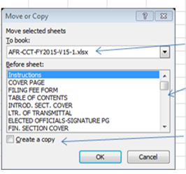

 | Locate your AFR File Name

 | Scroll down to the notes pages 36 - 40

 | Ensure the Create a copy box is checked

