IMPORTANT


 | Important steps for the Fiscal Year 2026 Budget:
 | 1: The Budget Packet must be submitted in PDF format.
 | 2: Pages 53, 54, and 55 must be submitted as a separate Excel document.

 | Refer to TaxLevyReqInstructions for help filling out Pages 53, 54, and 55.

 | Refer to the Budget instructions tab more information on submitting

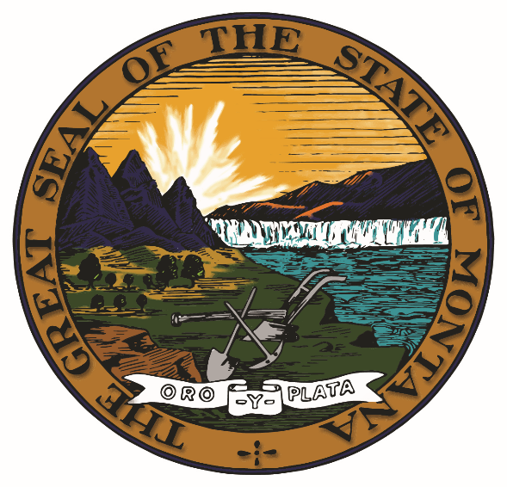

Form Prescribed by Department of Administration
Local Government Services Bureau
Montana Budgetary, Accounting, and Reporting System

June-2025-V26.1

